LTI Model- draft
Job Level X Compensation |  |  | Variables to be set by Compensation Committee: |  |  |  | Job Level X | Jobe Level Y |  |  |  |  |  | TABLE NOT APPLIED
Base | $350,000 |  | 1. Percent of EBITDA Growth delivered to Job Level X (and Leadership) |  |  |  | 8.0% | 5.0% |  |  |  |  |  | Attainment (% of Goal) |  |  | Payout (as % of Target Bonus)
Target % | 50% |  | 2. Maximum multiple of intended LTI value |  |  |  | 500.0% |  |  |  |  |  |  | Threshold | Target | Max | < Threshold | Threshold | Target | Max
Target $ | $175,000 |  |  |  |  |  |  |  |  |  |  |  |  | 50% | 100% | 110% | 0% | 75% | 100% | 500%
Target Cash | $525,000
Annual LTI | $200,000 |  |  |  |  |  |  |  |  |  |  |  | Random | 1 = set random growth % by year |  |  |  | X | Y
Target Direct | $725,000 |  |  |  |  |  |  |  |  |  |  |  | 1 | 2 = @Randbetween (X,Y) |  |  |  | -5 | 15 | percent
 |  |  | LTIP MODEL ($M) - Job Level X receives X% of EBITDA Growth over 3 year period |  |  |  |  |  |  |  |  |  |  | 3 = Monte Carlo Simulation
Revenue Forecast $M (2025 - 2033)
 | Aggressive (+X% over Regression) | Linear Regression | Base Forecast | Conservative (-25%) | Custom - 10% growth per year | Custom - Random Growth
2022 | 50.3 | 50.3 | 50.3 | 50.3 | 50.3 | 50.3
2023 | 62.4 | 62.4 | 62.4 | 62.4 | 62.4 | 62.4
2024 | 62.0 | 62.0 | 62.0 | 62.0 | 62.0 | 62.0
2025 | 71.9 | 69.9 | 68.0 | 66.5 | 65.7 | 65.1
2026 | 79.5 | 75.8 | 72.3 | 69.6 | 69.7 | 62.5
2027 | 87.2 | 81.7 | 76.5 | 72.7 | 73.8 | 70.0
2028 | 95.0 | 87.5 | 80.6 | 75.6 | 78.3 | 70.7
2029 | 103.3 | 93.7 | 84.8 | 78.6 | 83.0 | 81.3
2030 | 112.4 | 100.3 | 89.3 | 81.7 | 87.9 | 80.5
2031 | 122.7 | 107.6 | 94.2 | 85.1 | 93.2 | 89.3
2032 | 134.2 | 115.7 | 99.5 | 88.7 | 98.8 | 84.9
2033 | 147.3 | 124.7 | 105.3 | 92.5 | 104.7 | 86.6
EBITDA Forecast $M (2025 - 2033)
 | Aggressive (+10%) | Linear Regression | Base Forecast | Conservative (-25%) | Custom - 10% growth per year | Custom - Random Growth
2022 | 3.3 | 3.3 | 3.3 | 3.3 | 3.3 | 3.3
2023 | 12.2 | 12.2 | 12.2 | 12.2 | 12.2 | 12.2
2024 | 12.3 | 12.3 | 12.3 | 12.3 | 12.3 | 12.3
2025 | 14.2 | 13.8 | 13.5 | 13.2 | 13.0 | 12.9
2026 | 15.7 | 15.0 | 14.3 | 13.8 | 13.8 | 12.4
2027 | 17.3 | 16.2 | 15.1 | 14.4 | 14.6 | 13.9
2028 | 18.8 | 17.3 | 16.0 | 15.0 | 15.5 | 14.0
2029 | 20.4 | 18.5 | 16.8 | 15.6 | 16.4 | 16.1
2030 | 22.3 | 19.9 | 17.7 | 16.2 | 17.4 | 15.9
2031 | 24.3 | 21.3 | 18.7 | 16.8 | 18.5 | 17.7
2032 | 26.6 | 22.9 | 19.7 | 17.6 | 19.6 | 16.8
2033 | 29.2 | 24.7 | 20.9 | 18.3 | 20.7 | 17.1
 |  |  |  |  |  | Job Level X |  | Leadership
 |  | Scenario |  |  |  | 8% |  | 5%
Custom - 10% growth per year |  | E |  | EBITDA ($M) | Annual NI Growth ($M) | Job Level X Tracking LTI Value | Job Level X 3Yr Value | Leadership Tracking LTI Value | Leadership 3Yr Value | Post LTI EBITDA ($M) | Post LTI EBITDA Growth (%) | Distribution
 |  |  | 2024 | $12.3
 |  | EBITDA Growth | 2025 | $13.0
 |  | 6.0% | 2026 | $13.8 | $0.78 | 62,449 |  | $39,031 |  | $13.7 | 5.2%
 |  | 6.0% | 2027 | $14.6 | $0.83 | 66,196 |  | $41,372 |  | $14.5 | 5.2%
 |  | 6.0% | 2028 | $15.5 | $0.88 | 70,168 |  | $43,855 |  | $15.4 | 5.2%
 |  | 6.0% | 2029 | $16.4 | $0.93 | $74,378 | $198,813 | $46,486 | $124,258 | $16.3 | 5.2%
 |  | 6.0% | 2030 | $17.4 | $0.99 | $78,840 | $210,741 | $49,275 | $131,713 | $17.3 | 5.2%
 |  | 6.0% | 2031 | $18.5 | $1.04 | $83,571 | $223,386 | $52,232 | $139,616 | $18.3 | 5.2%
 |  | 6.0% | 2032 | $19.6 | $1.11 | $88,585 | $236,789 | $55,366 | $147,993 | $19.4 | 5.2%
 |  | 6.0% | 2033 | $20.7 | $1.17 | $93,900 | $250,996 | $58,688 | $156,873 | $20.6 | 5.2%

GRANT SCHEDULE
 |  |  | Tracked Value | 94% | 99% | 105% | 112% | 118% | 125% | 133%
Award Date | Award Target Value |  |  | 2026 | 2027 | 2028 | 2029 | 2030 | 2031 | 2032 | 2033
Jan 2026 | $200,000 |  | 33% | 62,449 | 66,196 | 70,168 | $198,813
Jan 2027 | $200,000 |  | 33% |  | 66,196 | 70,168 | 74,378 | $210,741
Jan 2028 | $250,000 |  | 33% |  |  | 70,168 | 74,378 | 78,840 | $223,386
Jan 2029 | $200,000 |  | 33% |  |  |  | 74,378 | 78,840 | 83,571 | $236,789
Jan 2030 | $200,000 |  | 33% |  |  |  |  | 78,840 | 83,571 | 88,585 | $250,996
 |  |  | Payout Value |  |  |  | $198,813 | $210,741 | $223,386 | $236,789 | $250,996

 | Target Comp |  | ESTIMATED REALIZED COMPENSATION
 |  |  |  |  | 3% | 3% | 3% | 3% | 3% | 3% | 3%
Chief Executive Officer |  |  | 2025 | 2026 | 2027 | 2028 | 2029 | 2030 | 2031 | 2032 | 2033
Base | $350,000 |  | $175,000 | $350,000 | $360,500 | $371,315 | $382,454 | $393,928 | $405,746 | $417,918 | $430,456
Target % | 50%
Actual Payout % |  |  |  | 100% | 100% | 100% | 105% | 100% | 100% | 100% | 100% |  | A | Aggressive (+X% over Linear Regression) |  |  | 25%
Target / Actual $ | $175,000 |  | $87,500 | $175,000 | $175,000 | $175,000 | $183,750 | $175,000 | $175,000 | $175,000 | $175,000 |  | B | Linear Regression
Target Cash | $525,000 |  |  |  |  |  |  |  |  |  |  |  | C | Base Forecast
Annual LTIP | $225,000 |  |  |  |  |  | 198,813 | 210,741 | 223,386 | 236,789 | 250,996 |  | D | Conservative (-25%)
 | $750,000 |  | $262,500 | $525,000 | $535,500 | $546,315 | $765,017 | $779,670 | $804,132 | $829,707 | $856,452 |  | E | Custom - X% growth per year |  |  | 6%
 |  |  |  |  |  |  |  |  |  |  |  |  | F | Custom - Random Growth
Annual Incentive | Payout Range as % of Target
LOW | 0% |  |  |  |  |  |  |  |  |  |  |  |  | Random Growth
TARGET | 100% |  |  |  |  |  |  |  |  |  |  |  |  | 1 | 5.00% | -4.00% | 12.00% | 1.00% | 15.00% | -1.00% | 11.00% | -5.00% | 2.00%
HIGH | 200% |  |  |  |  |  |  |  |  |  |  |  | RandBetw | 2 | 6.00% | -2.00% | -2.00% | -2.00% | 6.00% | -5.00% | -3.00% | 9.00% | -1.00%
 |  |  |  |  |  |  |  |  |  |  |  |  | Sim Avg | 3 | 9.58% | 9.24% | 11.57% | 7.53% | 11.19% | 9.79% | 11.15% | 13.08% | 11.66%
LTI | Payout Range as % of Target
LOW | 0%
TARGET | 100%
HIGH | 150%

Board Presentation Ideas- Draft
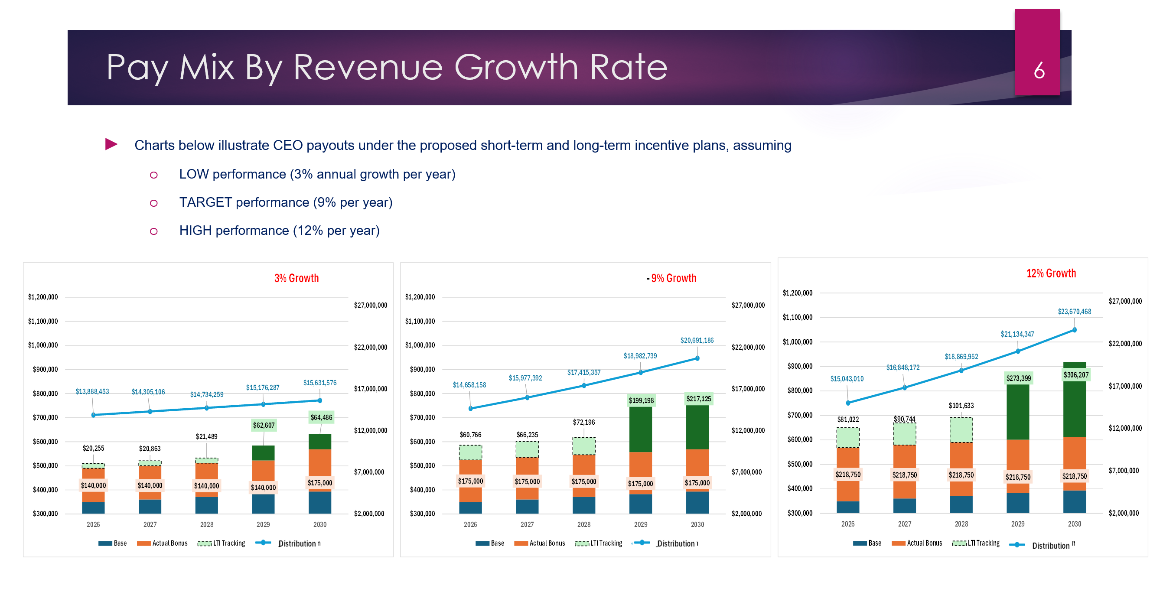
Example CEO Market Data and Internal Modeling Example (For Illustration Purposes)

